About Company
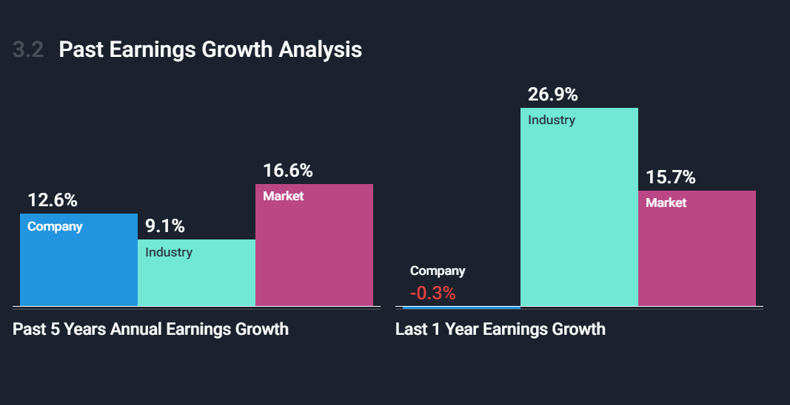
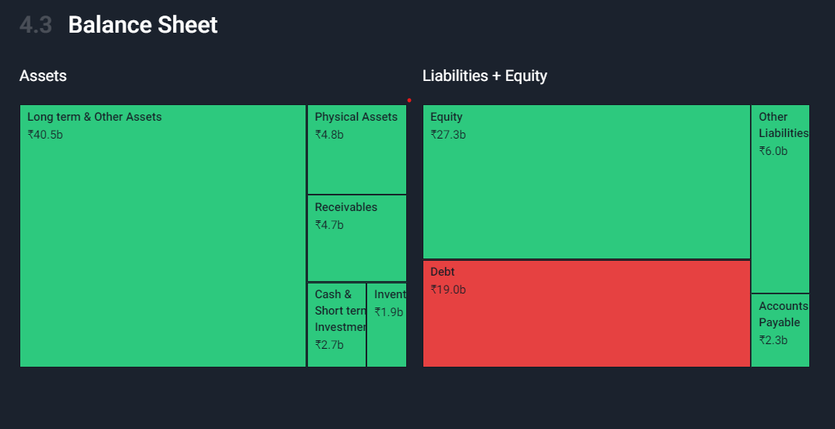


 | KNRCL is a multi domain infrastructure development organization with more than 2 decades of experience and executes the construction of technically complex and high value projects across segments such as National Highways, Bridges ,Irrigation Projects , Urban Development , Commercial and Residential projects etc.

Price History |  | Ownership Breakdown

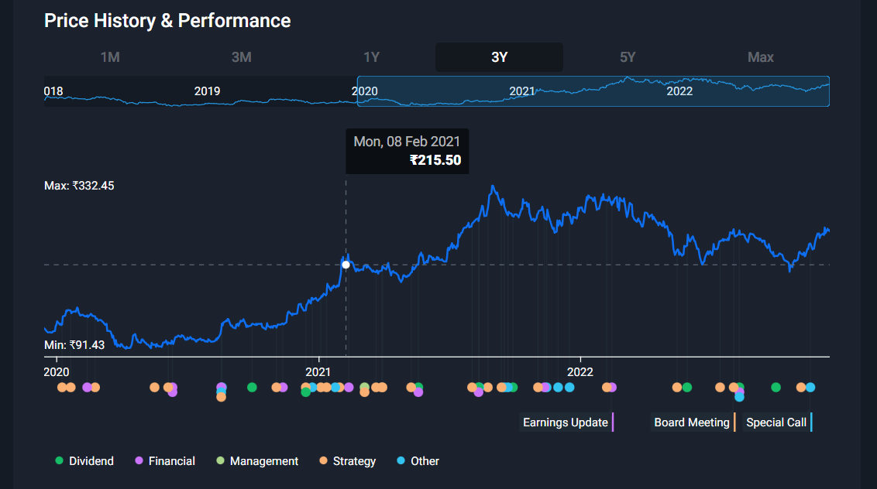
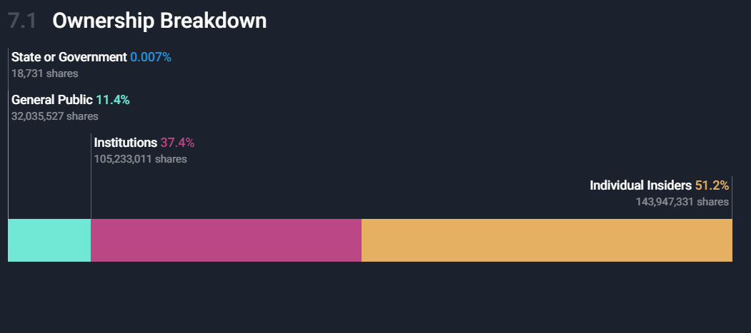

Dividend Yield vs Industry Average |  | Market Value vs Intrinsic Value
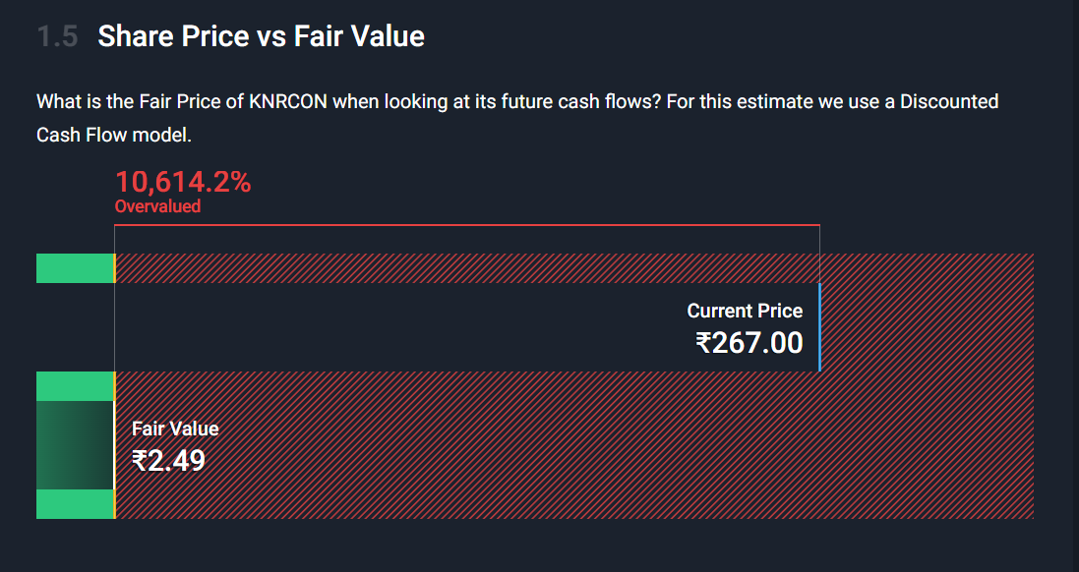
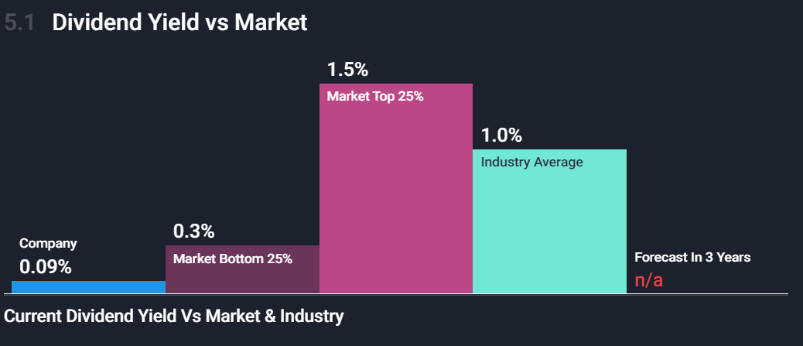

Balance sheet Analysis |  | Annual Earnings Growth

KNRC Stock price
KNR Constructions
Date | Closing Price | Opening Price | High | Low | % Change
2022-12-04 | 270.55 | 260.15 | 274 | 258 | 4.52% | (all data in Rs)
2022-11-27 | 258.85 | 250 | 264.65 | 248.8 | 2.88% | Life time high | 344
2022-11-20 | 251.6 | 246.85 | 252.9 | 235 | 1.88% | Life time low | 2
2022-11-13 | 246.95 | 229 | 255 | 226.65 | 7.89% | 52 week high | 329.85
2022-11-06 | 228.9 | 234.15 | 236.7 | 225.05 | -1.74% | 52 week low | 202.7
KNR Constructions
2022-10-30 | 232.95 | 221.1 | 239.6 | 218.45 | 5.53%
2022-10-23 | 220.75 | 212.3 | 224.75 | 210 | 2.70%
2022-10-16 | 214.95 | 224.35 | 224.4 | 202.7 | -3.07%
2022-10-09 | 221.75 | 230.2 | 230.9 | 220.25 | -4.31%
2022-10-02 | 231.75 | 228.75 | 233.5 | 225.5 | 1.31%
2022-09-25 | 228.75 | 230 | 238.9 | 222.95 | -3.11%
2022-09-18 | 236.1 | 244 | 251.9 | 234.2 | -3.71%
2022-09-11 | 245.2 | 254 | 255.45 | 231 | -3.52%
2022-09-04 | 254.15 | 256.9 | 258.5 | 249.3 | -0.70%
2022-08-28 | 255.95 | 251 | 268.7 | 250.1 | -2.20%
2022-08-21 | 261.7 | 255.55 | 265.45 | 246.1 | 2.41%
2022-08-14 | 255.55 | 260.4 | 266 | 254.6 | -1.77%
2022-08-07 | 260.15 | 259 | 268.5 | 255.65 | 1.13%
2022-07-31 | 257.25 | 263 | 269.4 | 254.45 | -2.41%
2022-07-24 | 263.6 | 253.9 | 264.35 | 248 | 4.33%
2022-07-17 | 252.65 | 256 | 260.95 | 246.35 | 0.90%
2022-07-10 | 250.4 | 238 | 253.25 | 234 | 4.90%
2022-07-03 | 238.7 | 236.25 | 248.15 | 228.7 | 1.29%
2022-06-26 | 235.65 | 230 | 236.5 | 225.4 | 4.11%
2022-06-19 | 226.35 | 226 | 230.75 | 207.5 | 0.24%
2022-06-12 | 225.8 | 248 | 248.7 | 223.3 | -9.88%
2022-06-05 | 250.55 | 250 | 262.55 | 245.05 | 0.22%
2022-05-29 | 250 | 242 | 270 | 236.45 | 3.31%
2022-05-22 | 242 | 237 | 248 | 220.8 | 3.66%
2022-05-15 | 233.45 | 230 | 243.65 | 228.9 | 1.46%
2022-05-08 | 230.1 | 263.4 | 264.15 | 225.45 | -12.73%
2022-05-01 | 263.65 | 268 | 278 | 250.45 | -2.48%
2022-04-24 | 270.35 | 277.95 | 281.9 | 268 | -2.66%
2022-04-17 | 277.75 | 283.7 | 283.7 | 272.05 | -3.07%
2022-04-10 | 286.55 | 289 | 292.8 | 279 | -0.30%
2022-04-03 | 287.4 | 295.6 | 297 | 283.25 | -1.81%
2022-03-27 | 292.7 | 280 | 294 | 268.3 | 4.54%
2022-03-20 | 280 | 277 | 288.8 | 274.1 | -1.13%
2022-03-13 | 283.2 | 308.4 | 311 | 267.6 | -7.72%
2022-03-06 | 306.9 | 303 | 308.95 | 281.7 | 0.11%
2022-02-27 | 306.55 | 314.35 | 324 | 300.25 | -2.48%
2022-02-20 | 314.35 | 313 | 319.2 | 292.6 | 0.38%
2022-02-13 | 313.15 | 312 | 315 | 292.1 | 0.47%
2022-02-06 | 311.7 | 312.8 | 317 | 306.55 | 0.08%
2022-01-30 | 311.45 | 306 | 329.85 | 304.5 | 3.11%
2022-01-23 | 302.05 | 315.55 | 319.55 | 280 | -4.13%
2022-01-16 | 315.05 | 315.8 | 321 | 308.05 | 0.06%
2022-01-09 | 314.85 | 293.7 | 325 | 293.65 | 7.48%
2022-01-02 | 292.95 | 303.8 | 308.5 | 288.8 | -2.30%
2021-12-26 | 299.85 | 287 | 302.9 | 282.1 | 4.86%
2021-12-19 | 285.95 | 285 | 289 | 272.9 | -1.28%
2021-12-12 | 289.65 | 292 | 299 | 280.25 | 0.19%
2021-12-05 | 289.1 | 282 | 294.9 | 270.2 | 2.92%
2021-11-28 | 280.9 | 255.35 | 284.3 | 242.35 | 6.87%
2021-11-21 | 262.85 | 287.05 | 289.15 | 258.65 | -8.43%
2021-11-14 | 287.05 | 285 | 302.5 | 279.9 | 0.81%
2021-11-07 | 284.75 | 295.6 | 305.3 | 266.35 | -3.46%
2021-10-31 | 294.95 | 278 | 296 | 278 | 5.41%
2021-10-24 | 279.8 | 288.9 | 292.95 | 274.7 | -4.33%
2021-10-17 | 292.45 | 308 | 312.5 | 287.1 | -4.57%
2021-10-10 | 306.45 | 288.75 | 315.35 | 287.95 | 6.13%
2021-10-03 | 288.75 | 291.9 | 294.85 | 283.75 | -0.40%
2021-09-26 | 289.9 | 294.7 | 296 | 284.25 | -0.75%
2021-09-19 | 292.1 | 301 | 310.65 | 287.7 | -3.13%
2021-09-12 | 301.55 | 314 | 324 | 296 | -3.67%
2021-09-05 | 313.05 | 326.1 | 331.4 | 311.5 | -3.94%
2021-08-29 | 325.9 | 319 | 343.9 | 315.6 | 2.34%
2021-08-22 | 318.45 | 298 | 323.6 | 283 | 10.78%
2021-08-15 | 287.45 | 287.05 | 307.9 | 281 | 0.58%
2021-08-08 | 285.8 | 281.5 | 293.8 | 264.65 | 2.09%
2021-08-01 | 279.95 | 272 | 289.45 | 268.45 | 3.36%
2021-07-25 | 270.85 | 268.75 | 283.9 | 260.65 | 0.24%
2021-07-18 | 270.2 | 251 | 273.9 | 249.25 | 5.59%
2021-07-11 | 255.9 | 245.25 | 264.75 | 237 | 5.27%
2021-07-04 | 243.1 | 244 | 254 | 239 | 2.49%
2021-06-27 | 237.2 | 221 | 259.9 | 218.7 | 7.70%
2021-06-20 | 220.25 | 218 | 225.5 | 215 | -1.23%
2021-06-13 | 223 | 222.9 | 229.6 | 216.2 | 0.09%
2021-06-06 | 222.8 | 231 | 232 | 220.25 | -2.73%
2021-05-30 | 229.05 | 218 | 231.6 | 217.4 | 5.53%
2021-05-23 | 217.05 | 231.1 | 239.45 | 216 | -4.70%
2021-05-16 | 227.75 | 209.55 | 230 | 209.1 | 9.21%
2021-05-09 | 208.55 | 199.55 | 218.5 | 199.55 | 4.51%
2021-05-02 | 199.55 | 200 | 202 | 196 | -0.25%
2021-04-25 | 200.05 | 196.85 | 202.5 | 188 | 2.51%
2021-04-18 | 195.15 | 196 | 206.4 | 193.95 | -4.36%
2021-04-11 | 204.05 | 205.1 | 209.75 | 195.7 | -3.66%
2021-04-04 | 211.8 | 212 | 221.8 | 205 | 0.00%
2021-03-28 | 211.8 | 208.5 | 216.8 | 204 | 2.92%
2021-03-21 | 205.8 | 208 | 210 | 197.05 | 0.12%
2021-03-14 | 205.55 | 212 | 212.95 | 193.15 | -3.00%
2021-03-07 | 211.9 | 215 | 219.7 | 207.5 | -0.87%
2021-02-28 | 213.75 | 210 | 218.5 | 204 | 3.46%
2021-02-21 | 206.6 | 214.8 | 216 | 201.6 | -3.12%
2021-02-14 | 213.25 | 225 | 227.75 | 212 | -3.88%
2021-02-07 | 221.85 | 214.35 | 232.9 | 201.25 | 5.07%
2021-01-31 | 211.15 | 184.55 | 242 | 184.5 | 14.48%
2021-01-24 | 184.45 | 192.25 | 192.5 | 181.5 | -0.16%
2021-01-17 | 184.75 | 183.75 | 186 | 175.25 | 0.68%
2021-01-10 | 183.5 | 173.5 | 193.65 | 167.5 | 6.22%
2021-01-03 | 172.75 | 166.55 | 175.88 | 164.82 | 5.34%
2020-12-27 | 164 | 166.38 | 167.25 | 161.68 | 0.11%
2020-12-20 | 163.82 | 163.25 | 173.8 | 150.12 | 0.35%
2020-12-13 | 163.25 | 149.65 | 173.5 | 147.53 | 10.49%
2020-12-06 | 147.75 | 156.97 | 158.95 | 145.55 | -5.87%
2020-11-29 | 156.97 | 144.03 | 159.93 | 142.5 | 10.12%
2020-11-22 | 142.55 | 145.5 | 146.93 | 136.35 | -2.55%
2020-11-15 | 146.28 | 130 | 148.95 | 129 | 14.84%
2020-11-08 | 127.38 | 127.72 | 129.88 | 124.75 | 0.34%
2020-11-01 | 126.95 | 125.15 | 128.95 | 121.58 | 1.42%
2020-10-25 | 125.17 | 125.45 | 128.4 | 120.88 | 0.54%
2020-10-18 | 124.5 | 124.35 | 130.32 | 119 | 1.53%
2020-10-11 | 122.62 | 128.22 | 129.4 | 120.5 | -4.29%
2020-10-04 | 128.12 | 128.18 | 132.78 | 126 | -0.05%
2020-09-27 | 128.18 | 124.65 | 131.5 | 122.75 | 2.83%
2020-09-20 | 124.65 | 134.43 | 134.97 | 119 | -7.65%
2020-09-13 | 134.97 | 127.95 | 136.6 | 127.75 | 8.00%
2020-09-06 | 124.97 | 122.58 | 130 | 117.78 | 1.95%
2020-08-30 | 122.58 | 135.32 | 135.9 | 115.08 | -9.27%
2020-08-23 | 135.1 | 134.97 | 140.3 | 130.5 | 3.80%
2020-08-16 | 130.15 | 109.5 | 132.4 | 107.7 | 21.44%
2020-08-09 | 107.17 | 102.5 | 111.4 | 100.28 | 5.28%
2020-08-02 | 101.8 | 106 | 106 | 100.75 | -3.32%
2020-07-26 | 105.3 | 105.5 | 107 | 100.58 | 0.88%
2020-07-19 | 104.38 | 104.5 | 110 | 102.6 | -0.09%
2020-07-12 | 104.47 | 106.5 | 113.3 | 100.78 | -1.29%
2020-07-05 | 105.83 | 107.5 | 109.85 | 104.58 | 0.24%
2020-06-28 | 105.58 | 109.8 | 109.8 | 101.28 | -4.31%
2020-06-21 | 110.33 | 111.9 | 114.92 | 108 | -0.50%
2020-06-14 | 110.88 | 100.5 | 113 | 100.5 | 12.66%
2020-06-07 | 98.42 | 102.5 | 106.75 | 95.5 | -2.19%
2020-05-31 | 100.62 | 100.78 | 106.38 | 97.25 | 0.27%
2020-05-24 | 100.35 | 95 | 100.83 | 93.53 | 5.44%
2020-05-17 | 95.17 | 102.5 | 103.45 | 93.15 | -2.14%
2020-05-10 | 97.25 | 98.25 | 101.38 | 90.15 | 0.00%
2020-05-03 | 97.25 | 101 | 101.97 | 96.25 | -7.57%
2020-04-26 | 105.22 | 102.1 | 107.5 | 96 | 3.77%
2020-04-19 | 101.4 | 111 | 122.5 | 100.5 | -8.44%
2020-04-12 | 110.75 | 92.78 | 120 | 90.5 | 19.69%
2020-04-05 | 92.53 | 97 | 97.5 | 90.28 | -2.24%
2020-03-29 | 94.65 | 95 | 99.5 | 92.92 | -2.87%
2020-03-22 | 97.45 | 100 | 106 | 85.5 | -12.14%
2020-03-15 | 110.92 | 110.5 | 119.72 | 100 | -5.92%
2020-03-08 | 117.9 | 128 | 129.07 | 94.1 | -9.98%
2020-03-01 | 130.97 | 134 | 135.93 | 116.8 | -1.27%
2020-02-23 | 132.65 | 140.03 | 141.28 | 129.1 | -5.27%
2020-02-16 | 140.03 | 141.85 | 144.95 | 132.9 | 1.25%
2020-02-09 | 138.3 | 141.43 | 142.4 | 129.05 | -2.12%
2020-02-02 | 141.3 | 138.5 | 144.85 | 136.25 | -6.19%
2020-01-26 | 150.62 | 146.22 | 155.9 | 142.5 | 3.13%
2020-01-19 | 146.05 | 149.25 | 151.5 | 141.12 | -1.72%
2020-01-12 | 148.6 | 141.25 | 152.07 | 138.05 | 6.81%
2020-01-05 | 139.12 | 130.45 | 140.7 | 125.5 | 6.48%
2019-12-29 | 130.65 | 118.2 | 135.85 | 116.4 | 11.74%
2019-12-22 | 116.92 | 116.35 | 118 | 114.62 | 1.26%
2019-12-15 | 115.47 | 123.3 | 124.75 | 115 | -6.35%
2019-12-08 | 123.3 | 115.38 | 124.95 | 110.8 | 9.26%
2019-12-01 | 112.85 | 116.25 | 118 | 112 | -2.12%
2019-11-24 | 115.3 | 121.28 | 121.9 | 114.58 | -4.81%
2019-11-17 | 121.12 | 123.35 | 144 | 116.85 | -1.10%
2019-11-10 | 122.47 | 119.53 | 127.03 | 111.3 | 2.46%
2019-11-03 | 119.53 | 118.22 | 134 | 117.03 | 2.57%
2019-10-27 | 116.53 | 116.35 | 119.42 | 112.05 | 1.60%
2019-10-20 | 114.7 | 115 | 116.55 | 111.5 | 0.20%
2019-10-13 | 114.47 | 113.5 | 118.55 | 110.5 | 1.62%
2019-10-06 | 112.65 | 108.95 | 114 | 107.72 | 4.31%
2019-09-29 | 108 | 117.5 | 117.88 | 107.25 | -8.05%
2019-09-22 | 117.45 | 117.9 | 118.6 | 113.88 | 1.71%
2019-09-15 | 115.47 | 110 | 116.45 | 109.08 | 4.21%
2019-09-08 | 110.8 | 113.95 | 114.5 | 108.75 | -1.27%
2019-09-01 | 112.22 | 107.62 | 113.62 | 105.17 | 5.84%
2019-08-25 | 106.03 | 119.4 | 119.45 | 103 | -6.13%
2019-08-18 | 112.95 | 117.47 | 128.32 | 110.35 | -3.21%
2019-08-11 | 116.7 | 130 | 130 | 114.1 | -8.59%
2019-08-04 | 127.67 | 131 | 133.82 | 122.7 | -2.54%
2019-07-28 | 131 | 139 | 139 | 126 | -4.23%
2019-07-21 | 136.78 | 134 | 140.25 | 130.22 | 1.15%
2019-07-14 | 135.22 | 135.53 | 143.93 | 128.55 | -0.57%
2019-07-07 | 136 | 140 | 141.2 | 134.75 | -2.91%
2019-06-30 | 140.07 | 139.8 | 144.85 | 137.72 | 0.09%
2019-06-23 | 139.95 | 140.55 | 142.8 | 134 | -1.27%
2019-06-16 | 141.75 | 142.55 | 144.88 | 140 | -0.70%
2019-06-09 | 142.75 | 143.45 | 146.4 | 140 | 1.73%
2019-06-02 | 140.32 | 140.95 | 145 | 135.75 | 0.14%
2019-05-26 | 140.12 | 137.25 | 151.68 | 134 | 2.79%
2019-05-19 | 136.32 | 121 | 137 | 116.53 | 18.36%
2019-05-12 | 115.17 | 115.65 | 119.6 | 112.62 | -0.42%
2019-05-05 | 115.65 | 120 | 122.25 | 111.5 | -5.53%
2019-04-28 | 122.42 | 124.38 | 124.38 | 118.1 | -0.71%
2019-04-21 | 123.3 | 122.42 | 125 | 119.7 | 2.00%
2019-04-14 | 120.88 | 122.5 | 123.75 | 117.75 | -0.20%
2019-04-07 | 121.12 | 125.55 | 129.5 | 120.62 | -3.49%
2019-03-31 | 125.5 | 131 | 131.95 | 125 | -3.96%
2019-03-24 | 130.68 | 135.25 | 135.28 | 126.67 | -2.80%
2019-03-17 | 134.45 | 127.53 | 135 | 124 | 4.94%
2019-03-10 | 128.12 | 121.45 | 131 | 119 | 6.08%
2019-03-03 | 120.78 | 102.5 | 124.47 | 101.5 | 19.35%
2019-02-24 | 101.2 | 98.78 | 101.5 | 97.62 | 3.50%
2019-02-17 | 97.78 | 102.53 | 103.95 | 97.5 | -4.99%
2019-02-10 | 102.92 | 102.6 | 104.95 | 97.5 | -0.64%
2019-02-03 | 103.58 | 104.9 | 107.6 | 102.08 | -0.13%
2019-01-27 | 103.72 | 103.5 | 106.75 | 100.9 | -1.73%
2019-01-20 | 105.55 | 107 | 108 | 103.5 | -1.38%
2019-01-13 | 107.03 | 108.5 | 109.7 | 104.55 | -0.21%
2019-01-06 | 107.25 | 111.7 | 111.85 | 105.08 | -1.74%
2018-12-30 | 109.15 | 106 | 114.75 | 104.12 | 2.87%
2018-12-23 | 106.1 | 99 | 112 | 96.25 | 6.53%
2018-12-16 | 99.6 | 95.97 | 102.2 | 94.5 | 4.88%
2018-12-09 | 94.97 | 93.08 | 100 | 90.5 | -0.47%
2018-12-02 | 95.42 | 97.42 | 100 | 94.25 | -2.05%
2018-11-25 | 97.42 | 96.83 | 98.5 | 92.92 | 2.49%
2018-11-18 | 95.05 | 95.97 | 97.85 | 92.67 | 0.55%
2018-11-11 | 94.53 | 99 | 99.5 | 90 | -2.95%
2018-11-04 | 97.4 | 96 | 98.88 | 93.4 | 1.43%
2018-10-28 | 96.03 | 88 | 97.5 | 85.12 | 11.40%
2018-10-21 | 86.2 | 92.25 | 94.35 | 85.42 | -7.03%
2018-10-14 | 92.72 | 89.25 | 97.38 | 86.67 | 4.38%
2018-10-07 | 88.83 | 91.78 | 92.72 | 82.5 | -3.08%
2018-09-30 | 91.65 | 89.5 | 97.5 | 83.05 | 2.84%
2018-09-23 | 89.12 | 101.5 | 105.35 | 86.9 | -12.50%
2018-09-16 | 101.85 | 103.42 | 103.42 | 95.5 | -1.99%
2018-09-09 | 103.92 | 108.47 | 108.9 | 99.17 | -3.91%
2018-09-02 | 108.15 | 120.62 | 121.97 | 106.88 | -10.25%
2018-08-26 | 120.5 | 116.12 | 122.1 | 114.3 | 3.83%
2018-08-19 | 116.05 | 114.25 | 118.22 | 113 | 1.69%
2018-08-12 | 114.12 | 106.17 | 116.5 | 106.17 | -1.38%
2018-08-05 | 115.72 | 117 | 125.47 | 111.15 | -0.70%
2018-07-29 | 116.53 | 116.65 | 119 | 110.03 | -0.10%
2018-07-22 | 116.65 | 102.65 | 119.92 | 101.25 | 13.22%
2018-07-15 | 103.03 | 109.97 | 110.72 | 100.03 | -5.82%
2018-07-08 | 109.4 | 113.4 | 118.75 | 102.83 | -3.53%
2018-07-01 | 113.4 | 108.88 | 116.88 | 105.55 | 4.81%
2018-06-24 | 108.2 | 120.28 | 121.6 | 100.67 | -11.19%
2018-06-17 | 121.83 | 131.12 | 131.5 | 116.28 | -7.35%
2018-06-10 | 131.5 | 141.28 | 143.1 | 130 | -6.88%
2018-06-03 | 141.22 | 141.95 | 144 | 132.28 | 0.92%
2018-05-27 | 139.93 | 148.53 | 154.5 | 137.05 | -5.87%
2018-05-20 | 148.65 | 150.3 | 155.8 | 133.07 | -0.82%
2018-05-13 | 149.88 | 154 | 157.5 | 148.78 | -2.79%
2018-05-06 | 154.18 | 161.15 | 163 | 152.97 | -3.17%
2018-04-29 | 159.22 | 164.75 | 164.75 | 155.85 | -2.44%
2018-04-22 | 163.2 | 162.5 | 165 | 155.75 | -0.09%
2018-04-15 | 163.35 | 150 | 169.85 | 150 | 9.52%
2018-04-08 | 149.15 | 146 | 158 | 145.97 | 2.84%
2018-04-01 | 145.03 | 143.5 | 148 | 141.5 | 2.13%
2018-03-25 | 142 | 144.25 | 151 | 138 | -1.47%
2018-03-18 | 144.12 | 147 | 149.4 | 140.85 | -1.75%
2018-03-11 | 146.68 | 149.35 | 149.5 | 145.5 | -0.60%
2018-03-04 | 147.57 | 152.5 | 152.5 | 145.25 | -2.67%
2018-02-25 | 151.62 | 147.5 | 159.5 | 146.5 | 3.14%
2018-02-18 | 147 | 158.72 | 160 | 145.65 | -7.05%
2018-02-11 | 158.15 | 155.5 | 169.9 | 154.35 | 2.13%
2018-02-04 | 154.85 | 148.95 | 157.9 | 136.07 | 2.96%
2018-01-28 | 150.4 | 159 | 159.5 | 142.28 | -4.74%
2018-01-21 | 157.88 | 153.95 | 160.5 | 151.5 | 4.45%
2018-01-14 | 151.15 | 159.47 | 159.47 | 147.5 | -4.62%
2018-01-07 | 158.47 | 156.65 | 160.5 | 152.4 | 1.16%
2017-12-31 | 156.65 | 163.72 | 163.72 | 151.68 | -3.41%
2017-12-24 | 162.18 | 155.12 | 174.5 | 153.32 | 5.31%
2017-12-17 | 154 | 134.47 | 157.12 | 127.4 | 15.31%
2017-12-10 | 133.55 | 140.55 | 141.9 | 131.5 | -4.48%

Price Trend Analysis
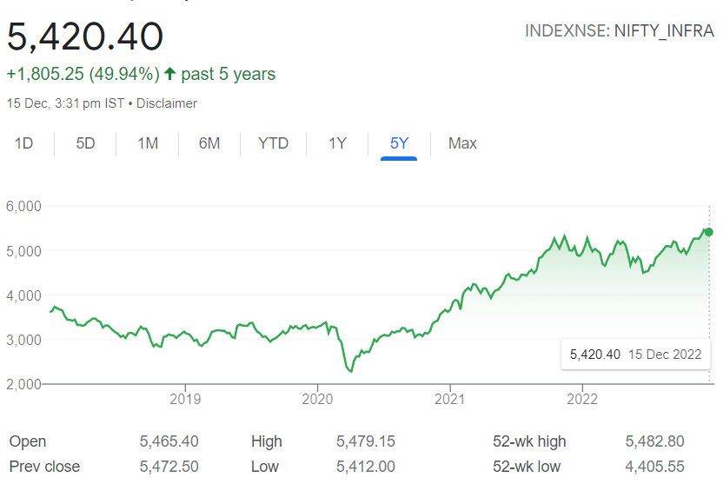
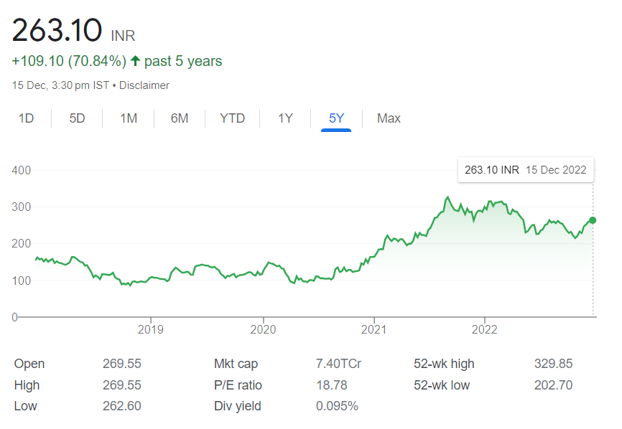
Price Trend Analysis and Future Price Predictions

1) Shareholding Pattern The company's shareholding pattern has shown a significant change over the last 5 years in aspects of holdings with FIIs and DII'S. In view of the above point we can see that the company's stock prices have shown above 200% returns leading to a price increase from 123.3 to 270.55. This remains to be our topmost point of explanation behind the price change of KNRC stock over the last 5 years It is clearly visible that the holdings of FII have risen from 2.5% to 6% today and from 31.1% to 35% for DII which is a clear positive sign for company's stock price movement. Promoter holdings stays stable at a number greater than 50%. It is believed that if there is increase in holdings of Foreign and Domestic Investors then they might be having some news about the company that will yield positive returns in the stock of company.

2) Company Fundamentals From the last years price movement data it is clearly evident that investors are very keen on studying company's quarterly results and analysing the data thoroughly. In the past 12 quarters whenever the company's quarterly results have been announced , prices of the company has shown higher level of variations. If the quarterly results were in favour of the company and market, prices have drastically gone up and vice versa. Moreover the announcement of interim dividends, company specific announcements and announcements of acquisitions and mergers etc have led to greater volatality in prices the following days.

3) Market Trend Analysis While studying the trend of price movement of our company with the Nifty Infra and Nifty 50 it was found that our company has consecutively shown co-movement with the Nifty Infra for the last 5 years. Both the company and Nifty 50 reached their lowest on 3 April, 2020 in the last 5 years. Moreover, the company has shown a greater rise or decline on the same day Nifty Infra has risen or fallen. This leads to our one more important conclusion that the company is more volatile than Nifty Infra and less volatile than Nifty 50. Both the company and Nifty Infra has shown rise in the prices during the period from April 2020 to September 2021. The company share has witnessed its life time high during September 2021 and since then prices have declined and in the latest time has been declining along with the market.

4) By Estimating Future Stock Prices Current EPS(in Rs) 12.86 Growth in EPS(in %ge) 10.95 Median P/E Ratio 19 Expected Value of Stock(in Rs) 410.8006313 We can clearly see that the stock is expected to grow by a staggering 55.8% , so the future trend of this company should not upset the investors!

CCC and shareholding pattern
 | 2022-03-11 | 2022-03-12 | 2022-03-13 | 2022-03-14 | 2022-03-15 | 2022-03-16 | 2022-03-17 | 2022-03-18 | 2022-03-19 | 2022-03-20 | 2022-03-21 | 2022-03-22 | Date | CCC
Debtor Days | 52 | 36 | 55 | 31 | 44 | 41 | 40 | 47 | 15 | 26 | 42 | 61 | 2022-03-11 | -58
Inventory Days | 73 | 77 | 84 | 67 | 60 | 72 | 81 | 53 | 57 | 60 | 58 | 70 | 2022-03-12 | -16
Days Payable | 183 | 129 | 199 | 99 | 82 | 130 | 165 | 176 | 131 | 127 | 99 | 95 | 2022-03-13 | -59
Cash Conversion Cycle | -58 | -16 | -59 | -1 | 23 | -16 | -44 | -75 | -58 | -42 | 1 | 36 | 2022-03-14 | -1
Working Capital Days | 37 | 45 | 85 | 23 | 53 | 25 | 2 | 33 | 33 | -6 | -9 | 46 | 2022-03-15 | 23
 |  |  |  |  |  |  |  |  |  |  |  |  | 2022-03-17 | -44
 |  |  |  |  |  |  |  |  |  |  |  |  | 2022-03-18 | -75
Shareholding Pattern |  |  |  |  |  |  |  |  |  |  |  |  | 2022-03-19 | -58
Numbers in percentages |  |  |  |  |  |  |  |  |  |  |  |  | 2022-03-20 | -42
 | 2022-12-19 | 2022-03-20 | 2022-06-20 | 2022-09-20 | 2022-12-20 | 2022-03-21 | 2022-06-21 | 2022-09-21 | 2022-12-21 | 2022-03-22 | 2022-06-22 | 2022-09-22 | 2022-03-21 | 1
Promoters + | 55.17 | 55.17 | 55.03 | 55.03 | 55.03 | 55.03 | 53.25 | 51.48 | 51.48 | 51.48 | 51.63 | 51.09 | 2022-03-22 | 36
FIIs + | 2.5 | 1.92 | 1.63 | 1.54 | 1.53 | 2.07 | 2.29 | 4.29 | 4.55 | 5.4 | 5.73 | 5.73
DIIs + | 31.11 | 32.56 | 34 | 34.34 | 34.28 | 32.35 | 34.35 | 33.86 | 34.05 | 33.48 | 33.28 | 34.59
Public + | 11.22 | 10.35 | 9.34 | 9.09 | 9.16 | 10.55 | 10.11 | 10.38 | 9.93 | 9.64 | 9.36 | 8.58

Annual Variation Of CCC
Promoters +, FIIs +, DIIs + and Public +

